HMI
SR. No. | DISPLAY TYPE: | Price(Single Piece) | Specification | Component URL | Image (Actual may vary) | Project/Intent | Remarks
1 | VATN Segmented Display | 418 | VA - 5" Segmented Display | - | 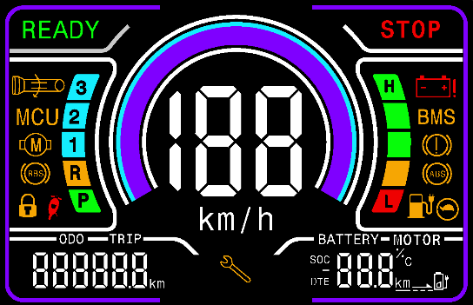 | Instrument Cluster - Color | 1. Animation: No 2. R&D Duration: Low
2 | TFT-Display | 4306 | LILYGO T-Display-S3 ESP32-S3 1.9 inch ST7789 LCD Display TTGO Development Board | https://www.amazon.in/LILYGO-T-Display-Arduino-Development-CH9102F/dp/B09J112YR7 | 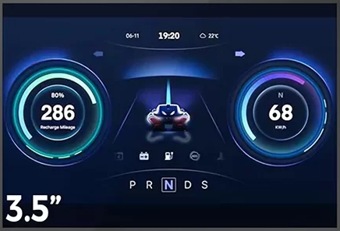 | TFT Cluster | 1. Animation: Possible 2. R&D Duration: High Sample: 1. https://www.amazon.in/LILYGO-T-Display-Arduino-Development-CH9102F/dp/B099MPFJ9M 2. https://www.amazon.in/Zhanshi-Development-Bluetooth-240X320-Display/dp/B0BRC7JYTL EMI/EMC: 1. https://bbs.espressif.com/viewtopic.php?t=8930
3 | 3.5″ LCD-TFT HMI Touch Display | 5599 | HMI Touch Display | https://www.amazon.in/Discovery-NX4832F035-Resistive-Software-Dashboard/dp/B0CDQCBWZ2/ | 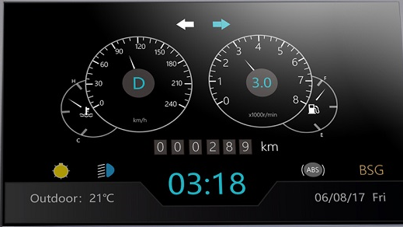 | TFT Touch Cluster | 1. Animation: Possible 2. R&D Duration: Medium Popular HMI: 1. Nextion 2. DWIN Technology Sample: 1. https://robu.in/product/dwin-hmi-4-3-inch-tn-lcd-resistive-touch-display-copy/ 2. https://www.amazon.in/NX4024T032-Resistive-Compatible-Raspberry-Suitable/dp/B07WLQ6QVK EMI/EMI Compliance: Confirmation is required from the supplier

